Sheet1
Pin Number | Pin Name | Assignment | Pin Number | Pin Name | Assignment | Groupings |  |  | Notes
1 | PE2 |  | 51 | PB12 |  | Pin Number | Pin Name | Purpose | PA12 = PE12
2 | PE3 |  | 52 | PB13 |  |  |  |  | PA13-2 = PB13
3 | PE4 |  | 53 | PB14 |  | MC Power System
4 | PE5 | ESCs | 54 | PB15 | ESCs | 6 | VBAT
5 | PE6 |  | 55 | PD8 |  | 10 | VSS
6 | VBAT | Power | 56 | PD9 |  | 11 | VDD
7 | PC13-ANTI_TAMP | Boot | 57 | PD10 |  | 19 | VSSA
8 | PC13-OSC32_IN |  | 58 | PD11 |  | 20 | VREF+
9 | PC15-OSC32_OUT |  | 59 | PD12 | Radio Receiver | 21 | VDDA
10 | VSS | Power | 60 | PD13 |  | 26 | VSS
11 | VDD | Power | 61 | PD14 |  | 27 | VDD
12 | PH0-OSC_IN | Crystal Resonator | 62 | PD15 |  | 48 | VCAP1
13 | PH1-OSC_OUT | Crystal Resonator | 63 | PC6 | ESCs | 49 | VSS
14 | NRST | Boot up | 64 | PC7 |  | 50 | VDD
15 | PC0 | Vain | 65 | PC8 |  | 73 | VCAP2
16 | PC1 |  | 66 | PC9 | IMU (Module) - SCL | 74 | VSS
17 | PC2 |  | 67 | PA8 | IMU(Module) - SDA | 75 | VDD
18 | PC3 |  | 68 | PA9 |  | 99 | VSS
19 | VSSA | Power | 69 | PA10 | LED - G (Monitor) | 100 | VDD
20 | VREF+ | Power | 70 | PA11 | LED - Y (Monitor)
21 | VDDA | Power | 71 | PA12 | LED - R (Monitor)
22 | PA0-WKUP | Radio Receiver | 72 | PA13 | JTMS | Boot up
23 | PA1 |  | 73 | VCAP2 | Power | 7 | PC13
24 | PA2 |  | 74 | VSS | Power | 14 | NRST
25 | PA3 |  | 75 | VDD | Power | 94 | BOOT0
26 | VSS | Power | 76 | PA14 | JTCK
27 | VDD | Power | 77 | PA15 | JDI | 16 MHz Crystal Resonator
28 | PA4 |  | 78 | PC10 |  | 12 | PH0-OSC_IN | resonator input
29 | PA5 | Radio Receiver | 79 | PC11 |  | 13 | PH1-OSC_Out | resonator output
30 | PA6 | Radio Receiver | 80 | PC12
31 | PA7 |  | 81 | PD0 |  | Electronic Speed Controllers
32 | PC4 |  | 82 | PD1 |  | 4 | PE5 | PWM output to motor ?
33 | PC5 |  | 83 | PD2 |  | 39 | PE9 | PWM output to motor ?
34 | PB0 |  | 84 | PD3 |  | 54 | PB15 | PWM output to motor ?
35 | PB1 |  | 85 | PD4 |  | 63 | PC6 | PWM output to motor ?
36 | PB2 |  | 86 | PD5
37 | PE7 |  | 87 | PD6 |  | ER6 Radio Receiver
38 | PE8 |  | 88 | PD7 |  | 22 | PA0 - WKUP | PWM inputs from Receiver
39 | PE9 | ESCs | 89 | PB3 | JTDO | 29 | PA5 | PWM inputs from Receiver
40 | PE10 |  | 90 | PB4 | JRST | 30 | PA6 | PWM inputs from Receiver
41 | PE11 |  | 91 | PB5 |  | 59 | PD12 | PWM inputs from Receiver
42 | PE12 |  | 92 | PB6
43 | PE13 |  | 93 | PB7 | Barometer | BNO055 - IMU (Inertial Measurement Unit)
44 | PE14 |  | 94 | BOOT0 | Boot | 46 | PB10 | SCL Serial Port
45 | PE15 |  | 95 | PB8 | Barometer | 47 | PB11 | SDA Serial Port
46 | PB10 | IMU | 96 | PB9 |  | 81 | PD0 | Interrupt Signal
47 | PB11 | IMU | 97 | PE0 | LORA
48 | VCAP1 | Power | 98 | PE1 | LORA | BMP390 - Barometer
49 | VSS | Power | 99 | VSS | Power | 93 | PB7 | SDA Serial Port
50 | VDD | Power | 100 | VDD | Power | 95 | PB8 | SCL Serial Port
 |  |  |  |  |  | 82 | PD1 | Interrupt Signal

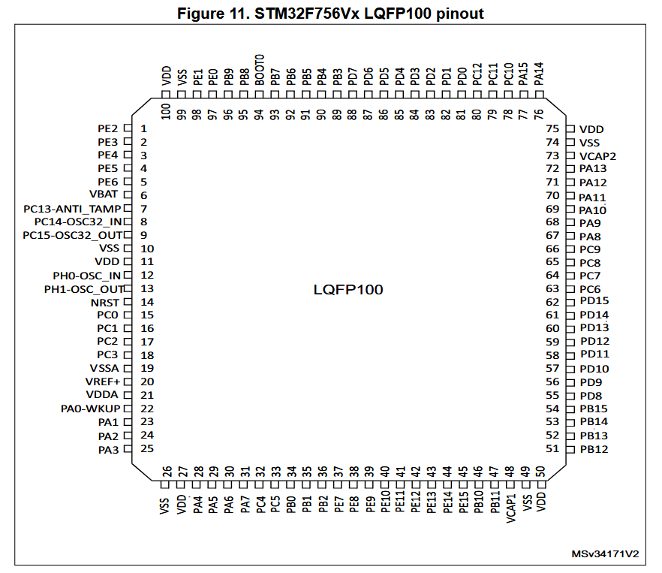
 |  |  |  |  |  | LORA UART
 |  |  |  |  |  | 97 | PE0 | RXD
 |  |  |  |  |  | 98 | PE1 | TXD

 |  |  |  |  |  | JTAG Programmer
 |  |  |  |  |  | 72 | PA13 | TSM/SWDIO
 |  |  |  |  |  | 76 | PA14 | TCK/SWCLK
 |  |  |  |  |  | 77 | PA15 | TDI
 |  |  |  |  |  | 89 | PB3 | TDO/SWO
 |  |  |  |  |  | 90 | PB4 | TRST

 |  |  |  |  |  | Monitoring Circuit
 |  |  |  |  |  | 15 | PC0 | Monitoring - Vain
 |  |  |  |  |  | 69 | PA10 | LED - G (Monitor)
 |  |  |  |  |  | 70 | PA11 | LED - Y (Monitor)
 |  |  |  |  |  | 71 | PA12 | LED - R (Monitor)

 |  |  |  |  |  | BNO055 - IMU (Module)
 |  |  |  |  |  | 66 | PC9 | SCL Serial Port
 |  |  |  |  |  | 67 | PA8 | SDA Serial Port

